Sheet1
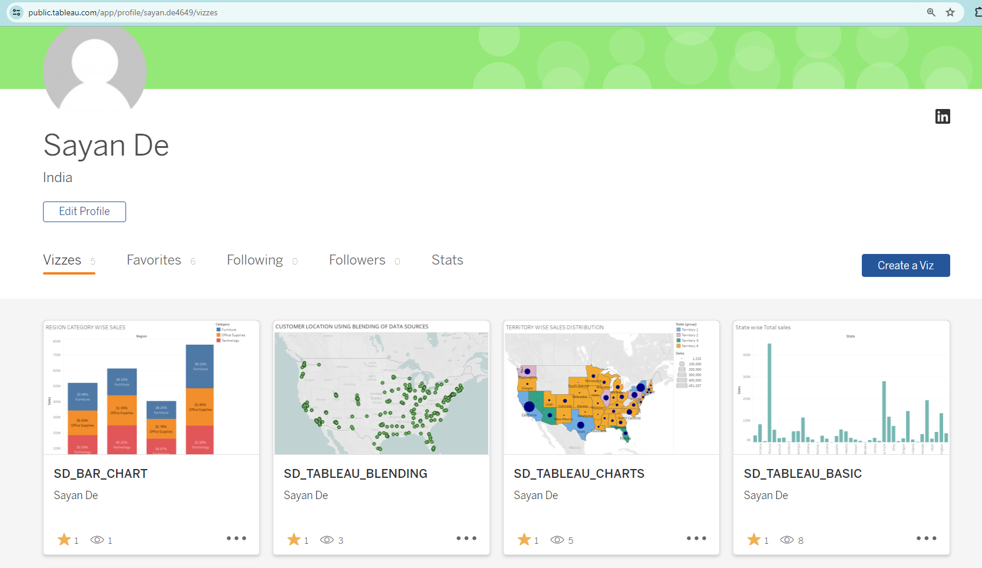

TABLEAU PUBLIC EMAIL PASSWORD | sayande01@gmail.com
 | Sayandata@01

